Data Aug Details
Speaker | Layer Frozen | Training Loss Graph | Training Accuracy Graph | Accuracy | % Change from Normal

F05 | Augmented_F05_D3 | 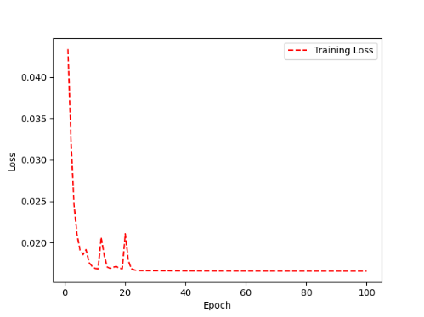 | 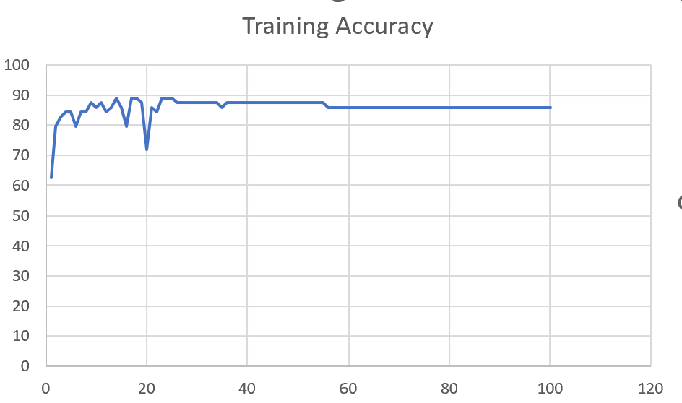 | 93 | 2

 | Augmented_F05_TE | 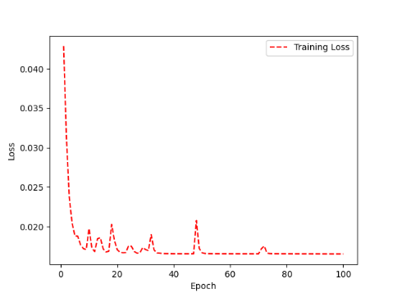 | 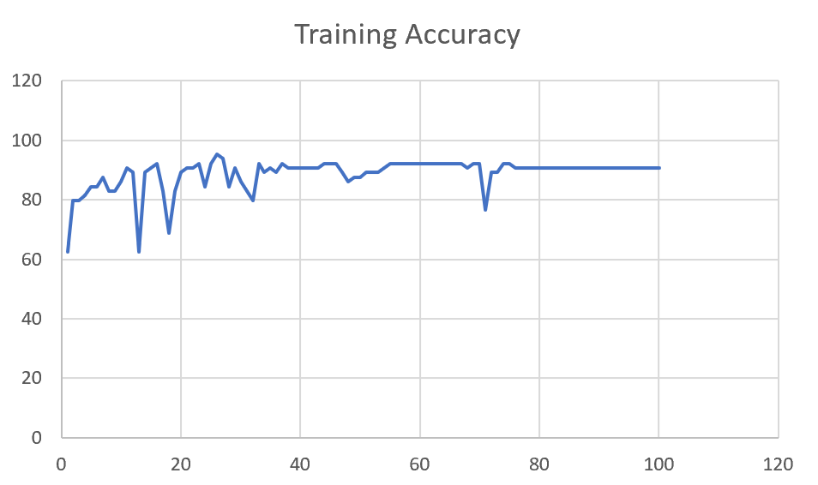 | 93 | 3

M08 | Augmented_M08_T3+D123 | 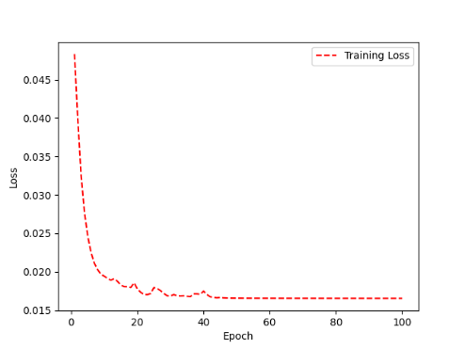 | 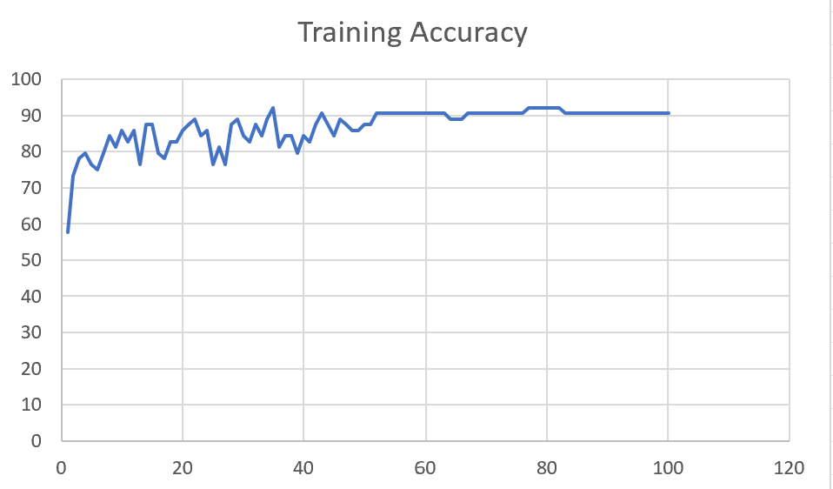 | 88 | 4

 | Augmented_M08_T3+D12 | 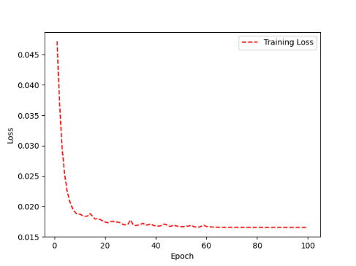 | 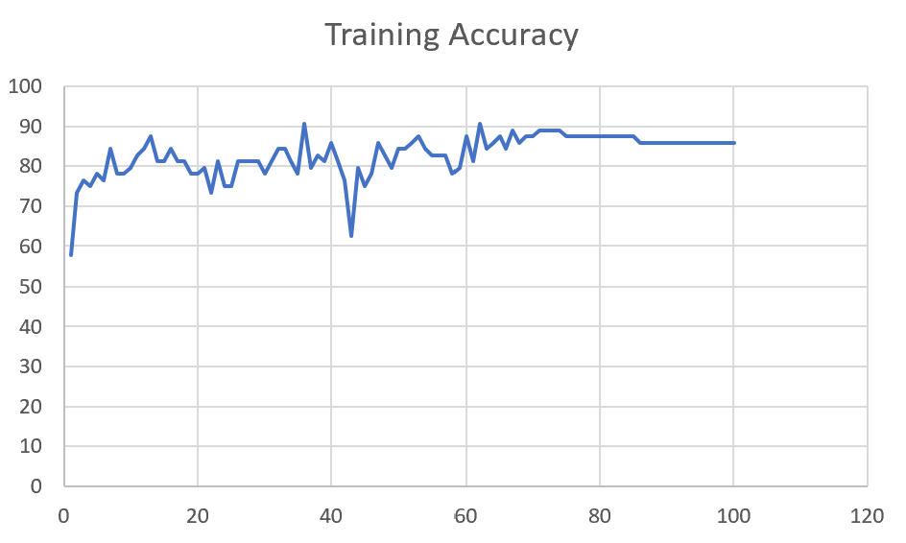 | 88 | 6

M10 | Augmented_M10_T3+D1 | 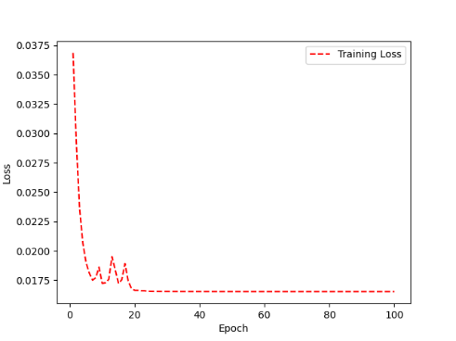 | 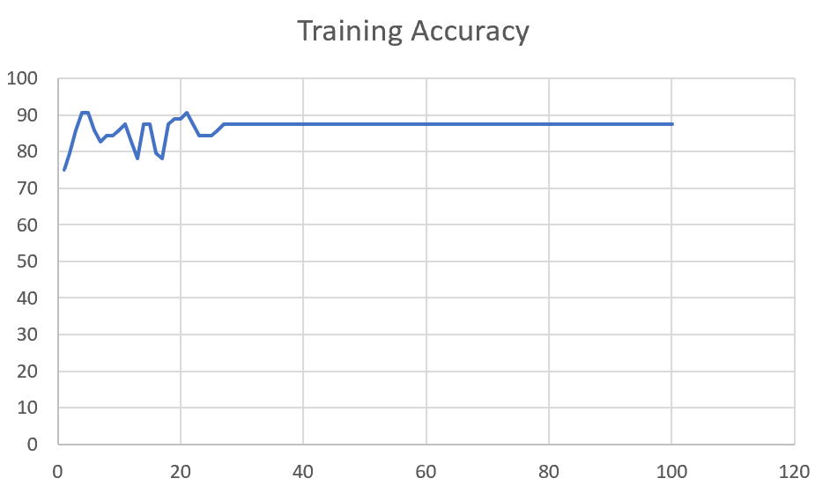 | 91 | -1

 | Augmented_M10_E1 | 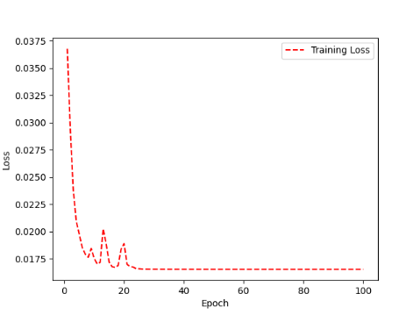 | 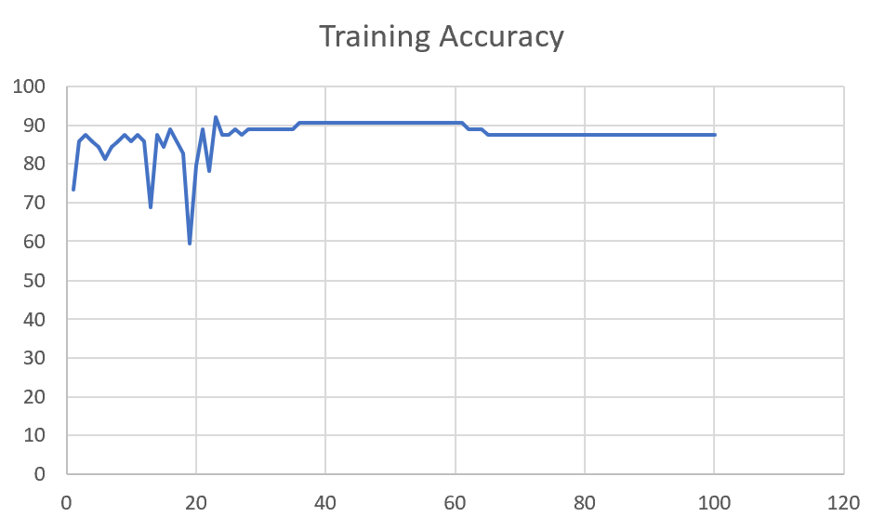 | 91 | 0

M14 | Augmented_M14_D3 | 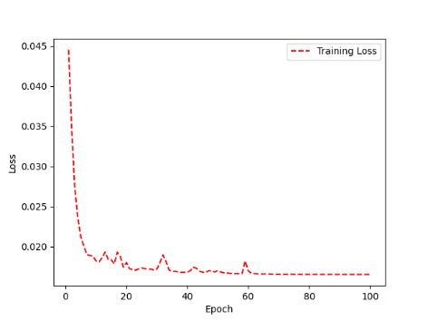 | 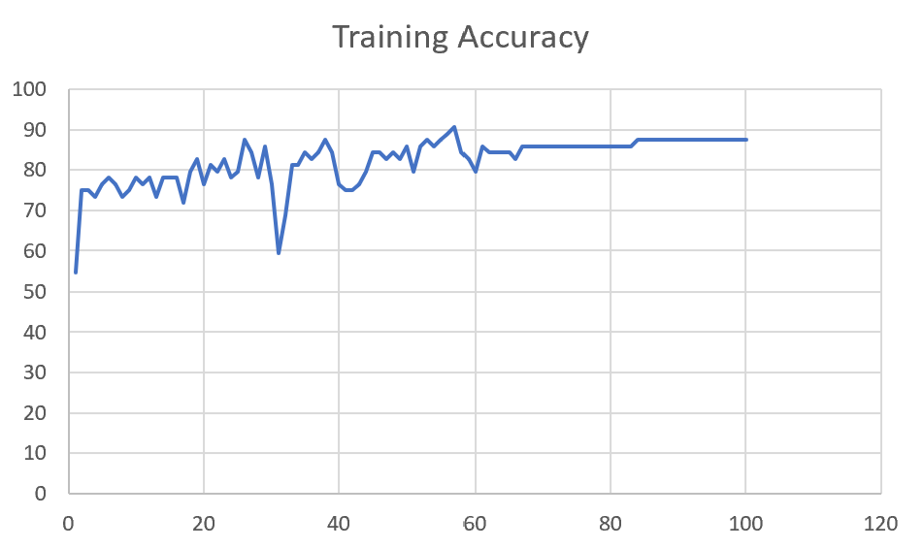 | 84

 | Augmented_M14_T3+D1 | 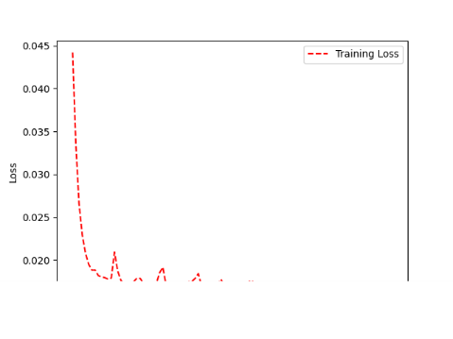 | 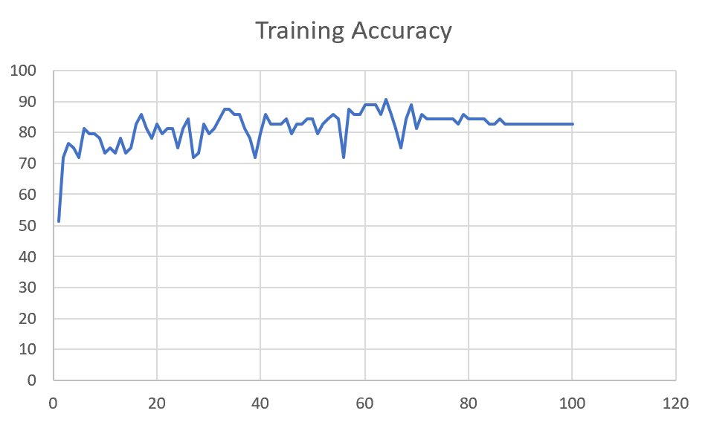 | 85

M09 | Augmented_M09_D3 | 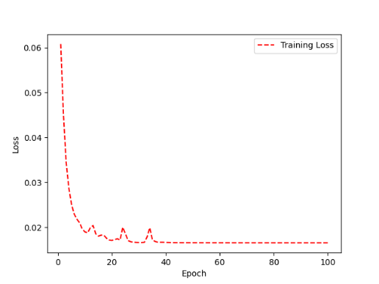 | 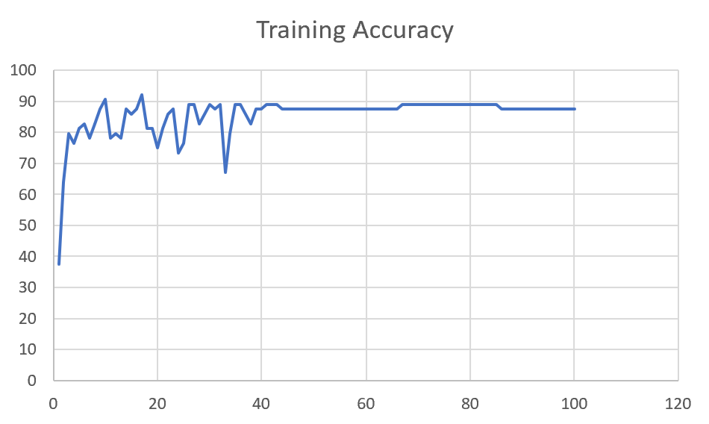 | 84

 | Augmented_M09_TE | 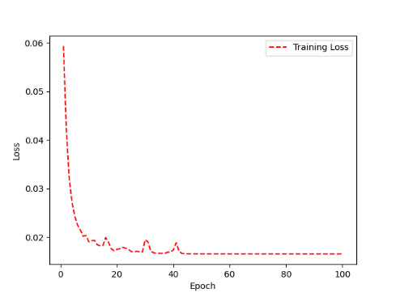 | 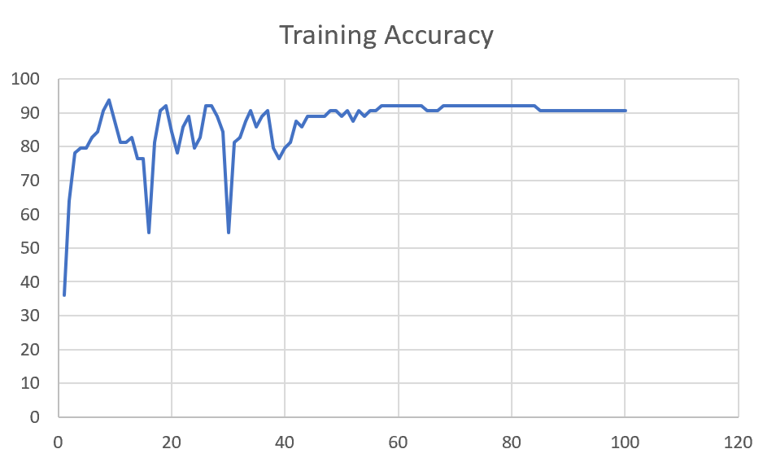 | 82

F04 | Augmented_F04_TE | 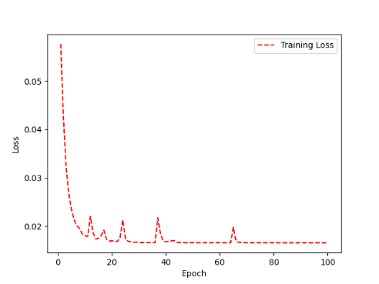 | 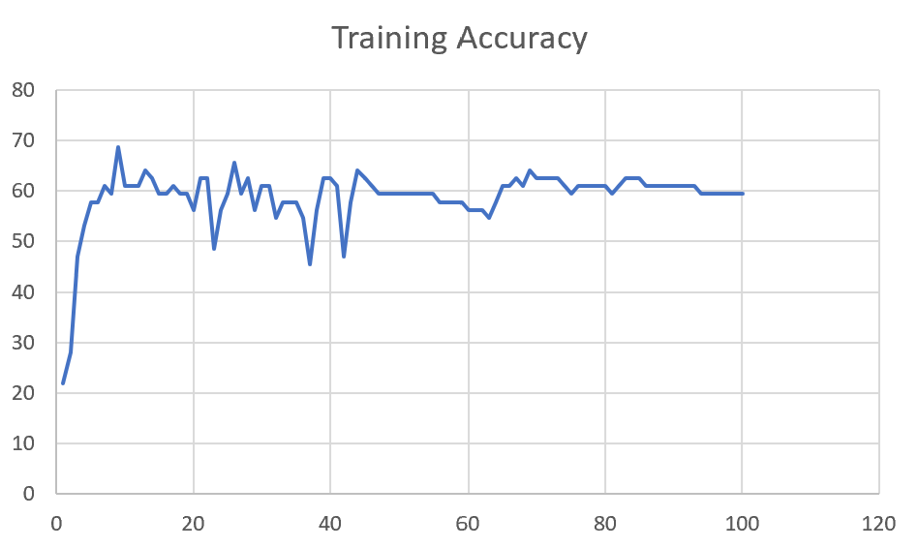 | 69

 | Augmented_F04_TE+D1 | 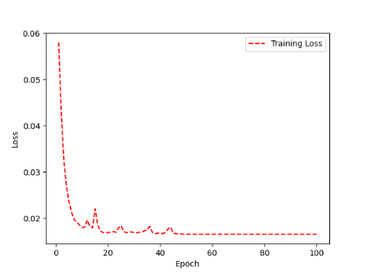 | 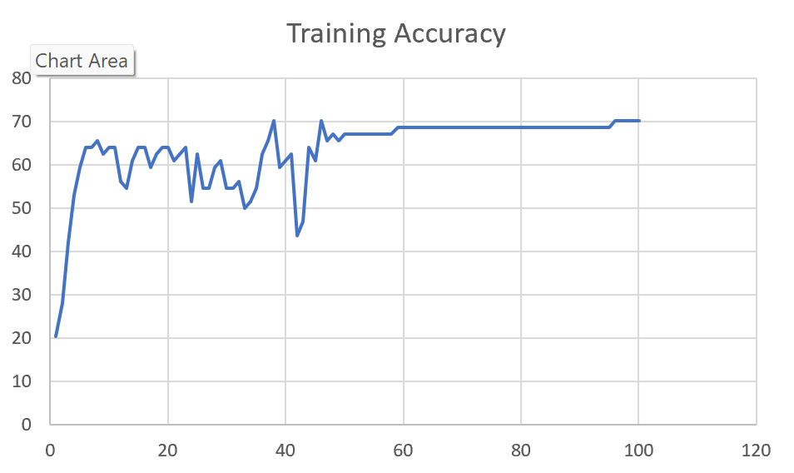 | 72

M11 | Augmented_M11_TE | 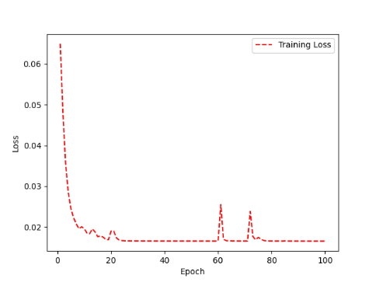 | 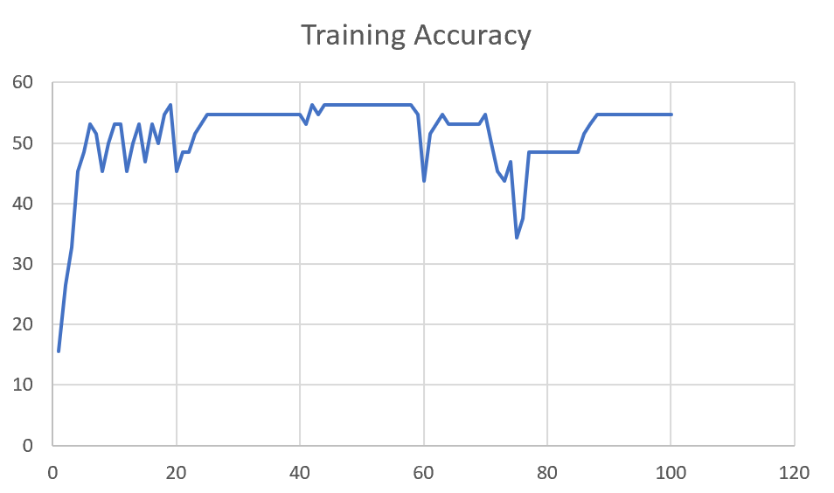 | 55

 | Augmented_M11_D3 | 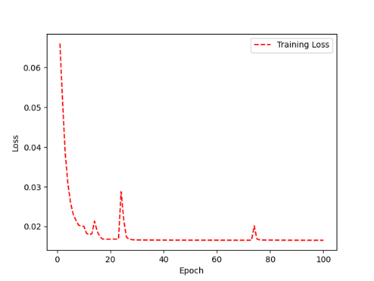 | 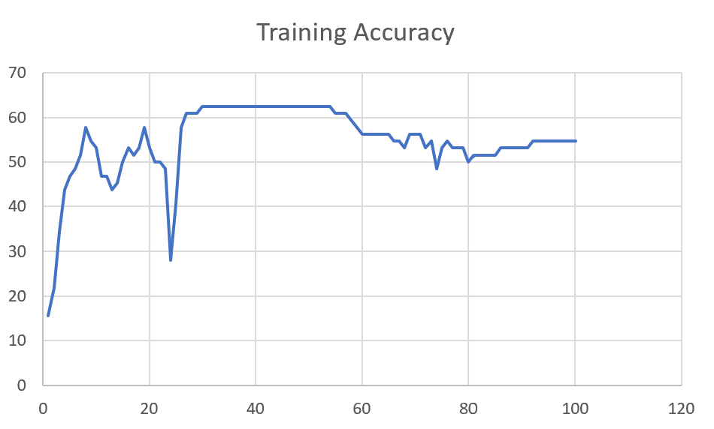 | 58

M05 | Augmented_M05_D3 | 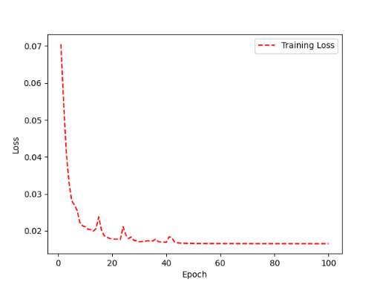 | 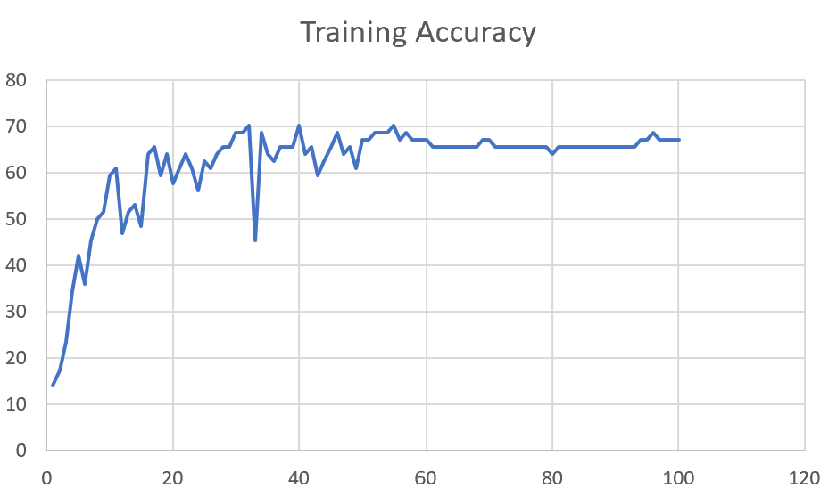 | 66

 | Augmented_M05_TE+D1

M16 | Augmented_M16_D3 | 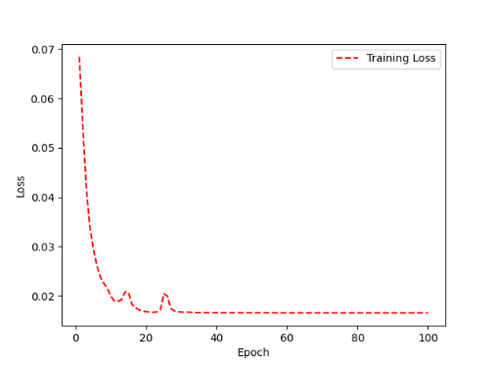 | 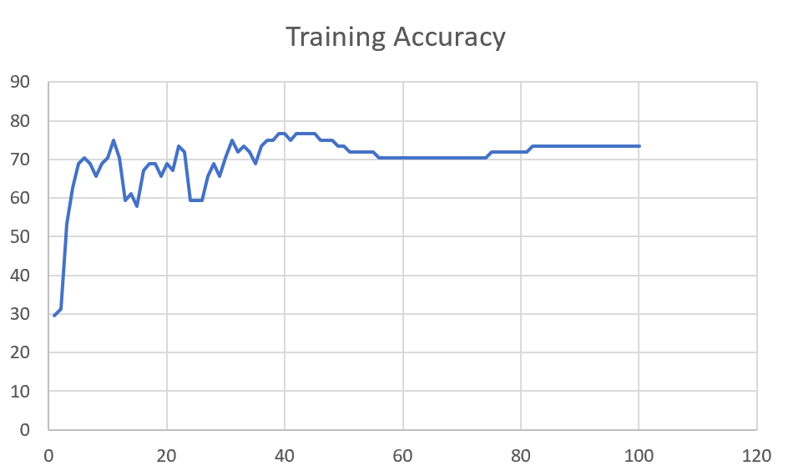 | 70

 | Augmented_M16_TE+D1

F02 | Augmented_F02_TE | 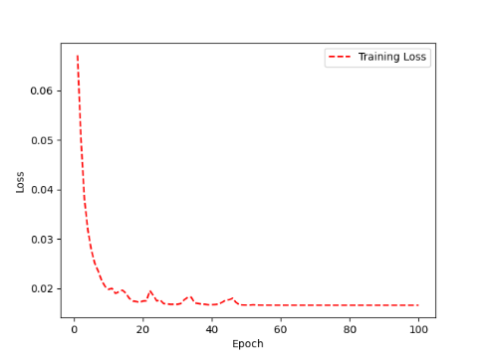 | 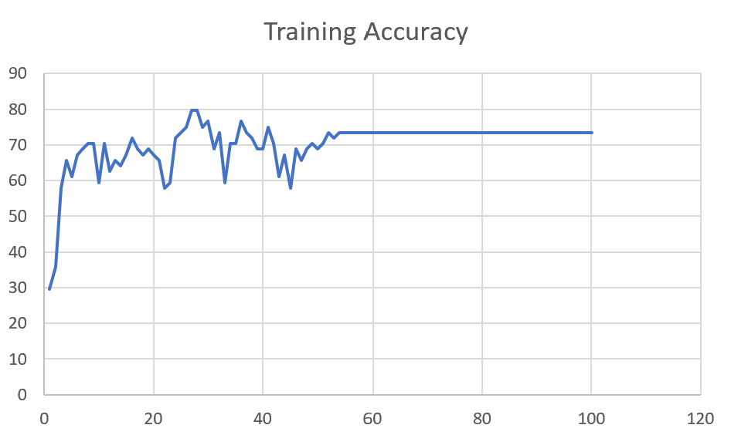 | 74

 | Augmented_M05_TE+D1

M07 | Augmented_M07_D3 | 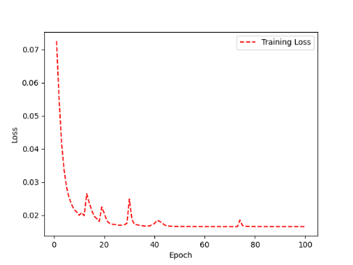 | 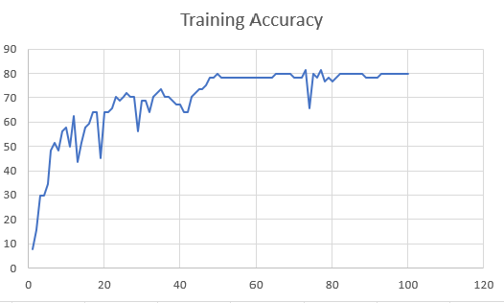 | 76

 | Augmented_M07_TE+D12

M01 | Augmented_M05_D3

 | Augmented_M05_TE+D1 | 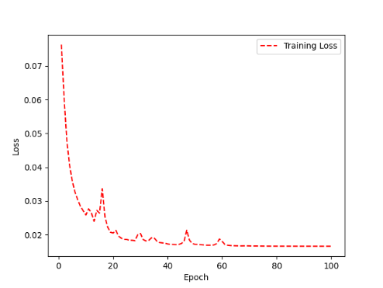 | 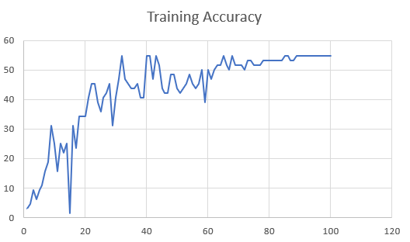 | 51

M12 | Augmented_M12_TE | 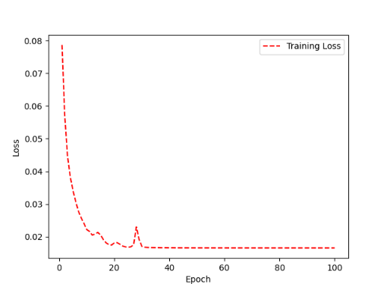 | 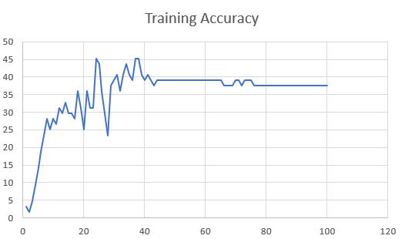 | 41

 | Augmented_M12_D3

F03 | Augmented_F03_TE+D1 | 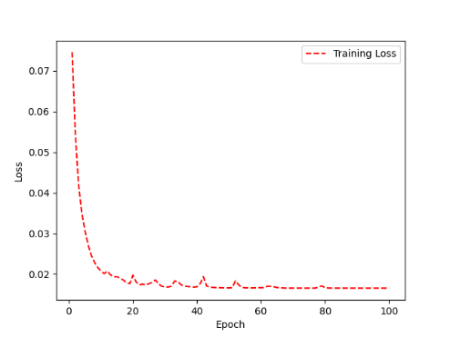 | 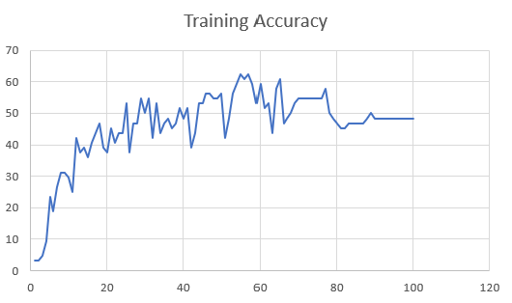 | 53

 | Augmented_F03_TE

M04 | Augmented_M04_TE

 | Augmented_M04_E1

Sheet1
 |  |  | Training Accuracy
0 | 0.96875 | 1 | 3.125
1 | 0.96875 | 2 | 3.125
2 | 0.953125 | 3 | 4.6875
3 | 0.90625 | 4 | 9.375
4 | 0.765625 | 5 | 23.4375
5 | 0.8125 | 6 | 18.75
6 | 0.734375 | 7 | 26.5625
7 | 0.6875 | 8 | 31.25
8 | 0.6875 | 9 | 31.25
9 | 0.703125 | 10 | 29.6875
10 | 0.75 | 11 | 25
11 | 0.578125 | 12 | 42.1875
12 | 0.625 | 13 | 37.5
13 | 0.609375 | 14 | 39.0625
14 | 0.640625 | 15 | 35.9375
15 | 0.59375 | 16 | 40.625
16 | 0.5625 | 17 | 43.75
17 | 0.53125 | 18 | 46.875
18 | 0.609375 | 19 | 39.0625
19 | 0.625 | 20 | 37.5
20 | 0.546875 | 21 | 45.3125
21 | 0.59375 | 22 | 40.625
22 | 0.5625 | 23 | 43.75
23 | 0.5625 | 24 | 43.75
24 | 0.46875 | 25 | 53.125
25 | 0.625 | 26 | 37.5
26 | 0.53125 | 27 | 46.875
27 | 0.53125 | 28 | 46.875
28 | 0.453125 | 29 | 54.6875
29 | 0.5 | 30 | 50
30 | 0.453125 | 31 | 54.6875
31 | 0.578125 | 32 | 42.1875
32 | 0.46875 | 33 | 53.125
33 | 0.5625 | 34 | 43.75
34 | 0.53125 | 35 | 46.875
35 | 0.515625 | 36 | 48.4375
36 | 0.546875 | 37 | 45.3125
37 | 0.53125 | 38 | 46.875
38 | 0.484375 | 39 | 51.5625
39 | 0.515625 | 40 | 48.4375
40 | 0.484375 | 41 | 51.5625
41 | 0.609375 | 42 | 39.0625
42 | 0.5625 | 43 | 43.75
43 | 0.46875 | 44 | 53.125
44 | 0.46875 | 45 | 53.125
45 | 0.4375 | 46 | 56.25
46 | 0.4375 | 47 | 56.25
47 | 0.453125 | 48 | 54.6875
48 | 0.453125 | 49 | 54.6875
49 | 0.4375 | 50 | 56.25
50 | 0.578125 | 51 | 42.1875
51 | 0.515625 | 52 | 48.4375
52 | 0.4375 | 53 | 56.25
53 | 0.40625 | 54 | 59.375
54 | 0.375 | 55 | 62.5
55 | 0.390625 | 56 | 60.9375
56 | 0.375 | 57 | 62.5
57 | 0.40625 | 58 | 59.375
58 | 0.46875 | 59 | 53.125
59 | 0.40625 | 60 | 59.375
60 | 0.484375 | 61 | 51.5625
61 | 0.46875 | 62 | 53.125
62 | 0.5625 | 63 | 43.75
63 | 0.421875 | 64 | 57.8125
64 | 0.390625 | 65 | 60.9375
65 | 0.53125 | 66 | 46.875
66 | 0.515625 | 67 | 48.4375
67 | 0.5 | 68 | 50
68 | 0.46875 | 69 | 53.125
69 | 0.453125 | 70 | 54.6875
70 | 0.453125 | 71 | 54.6875
71 | 0.453125 | 72 | 54.6875
72 | 0.453125 | 73 | 54.6875
73 | 0.453125 | 74 | 54.6875
74 | 0.453125 | 75 | 54.6875
75 | 0.453125 | 76 | 54.6875
76 | 0.421875 | 77 | 57.8125
77 | 0.5 | 78 | 50
78 | 0.515625 | 79 | 48.4375
79 | 0.53125 | 80 | 46.875
80 | 0.546875 | 81 | 45.3125
81 | 0.546875 | 82 | 45.3125
82 | 0.53125 | 83 | 46.875
83 | 0.53125 | 84 | 46.875
84 | 0.53125 | 85 | 46.875
85 | 0.53125 | 86 | 46.875
86 | 0.53125 | 87 | 46.875
87 | 0.515625 | 88 | 48.4375
88 | 0.5 | 89 | 50
89 | 0.515625 | 90 | 48.4375
90 | 0.515625 | 91 | 48.4375
91 | 0.515625 | 92 | 48.4375
92 | 0.515625 | 93 | 48.4375
93 | 0.515625 | 94 | 48.4375
94 | 0.515625 | 95 | 48.4375
95 | 0.515625 | 96 | 48.4375
96 | 0.515625 | 97 | 48.4375
97 | 0.515625 | 98 | 48.4375
98 | 0.515625 | 99 | 48.4375
99 | 0.515625 | 100 | 48.4375
<__main__.DisplayOutputs object at 0x7fcce34d69d0> | 0.515625 | #VALUE! | 48.4375
<__main__.DisplayOutputs object at 0x7fcce34d69d0> | 0.4375 | #VALUE! | 56.25
<__main__.DisplayOutputs object at 0x7fcce34d69d0> | 0.484375 | #VALUE! | 51.5625
<__main__.DisplayOutputs object at 0x7fcce34d69d0> | 0.546875 | #VALUE! | 45.3125
<__main__.DisplayOutputs object at 0x7fcce34d69d0> | 0.46875 | #VALUE! | 53.125
<__main__.DisplayOutputs object at 0x7fcce34d69d0> | 0.453125 | #VALUE! | 54.6875
<__main__.DisplayOutputs object at 0x7fcce34d69d0> | 0.4375 | #VALUE! | 56.25
<__main__.DisplayOutputs object at 0x7fcce34d69d0> | 0.40625 | #VALUE! | 59.375
<__main__.DisplayOutputs object at 0x7fcce34d69d0> | 0.53125 | #VALUE! | 46.875
<__main__.DisplayOutputs object at 0x7fcce34d69d0> | 0.40625 | #VALUE! | 59.375
<__main__.DisplayOutputs object at 0x7fcce34d69d0> | 0.4375 | #VALUE! | 56.25
<__main__.DisplayOutputs object at 0x7fcce34d69d0> | 0.453125 | #VALUE! | 54.6875
<__main__.DisplayOutputs object at 0x7fcce34d69d0> | 0.484375 | #VALUE! | 51.5625
<__main__.DisplayOutputs object at 0x7fcce34d69d0> | 0.4375 | #VALUE! | 56.25
<__main__.DisplayOutputs object at 0x7fcce34d69d0> | 0.46875 | #VALUE! | 53.125
<__main__.DisplayOutputs object at 0x7fcce34d69d0> | 0.515625 | #VALUE! | 48.4375
<__main__.DisplayOutputs object at 0x7fcce34d69d0> | 0.44262295082 | #VALUE! | 55.737704918
<__main__.DisplayOutputs object at 0x7fcfe04bb910> | 0.640625
<__main__.DisplayOutputs object at 0x7fcfe04bb910> | 0.50819672131

